Sheet1
Pictures | FNSKU | Total Qty | Link
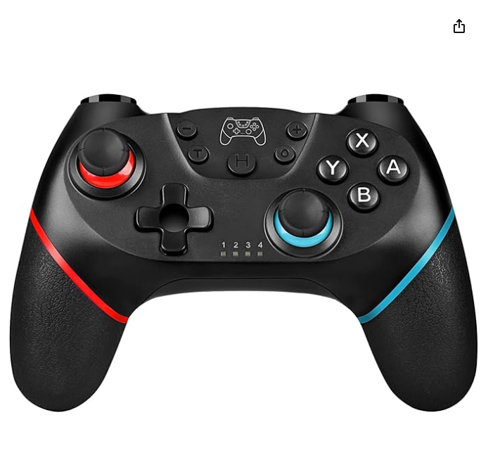 | X001FIA6JT | 900 | https://www.amazon.ca/Controller-Nintendo-Wireless-Joystick-Vibration/dp/B09J4FKYK9/ref=sr_1_1?dib=eyJ2IjoiMSJ9.3AwlWi8NXnGcxLunLG1_gjKhW_t5zA1CXxnJxRESg-TVb7W65xmh8d7cg5iIeJqTXioKiEdiYRLD2RmypDt-6Q.xdJcPYcqOblrKS1Eq83D0ei5HGKpgKgpreZlxLUK4gI&dib_tag=se&keywords=Zakgbxbig&qid=1715410558&sr=8-1
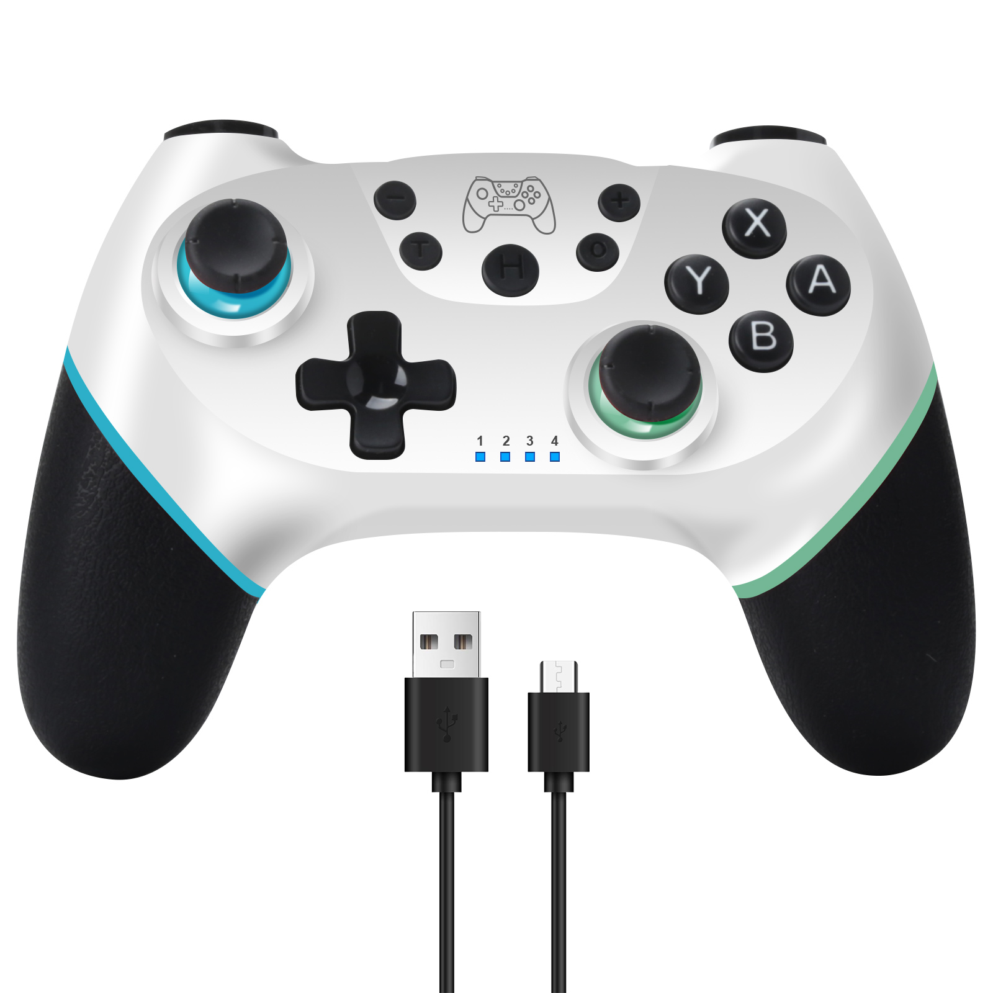 | X001QU3GP7 | 886
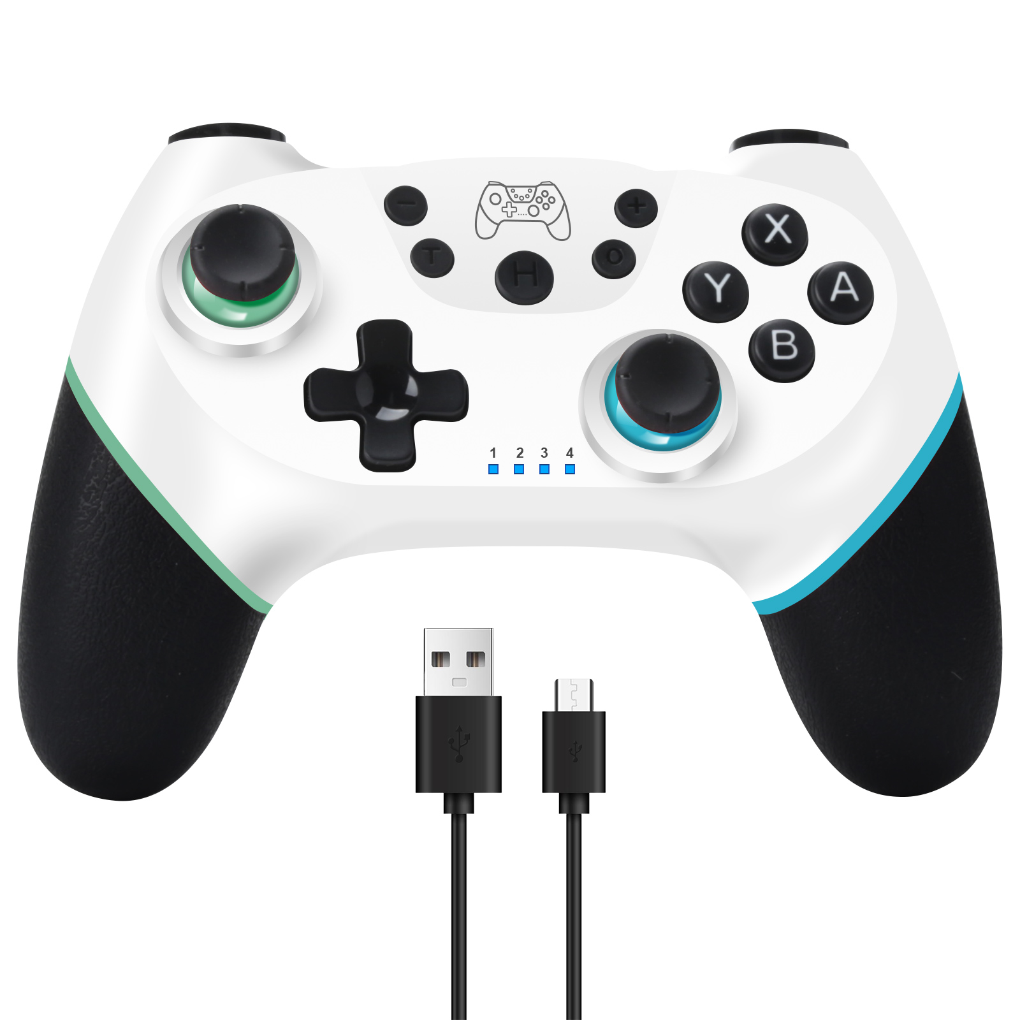 | X001RFQ97D | 526
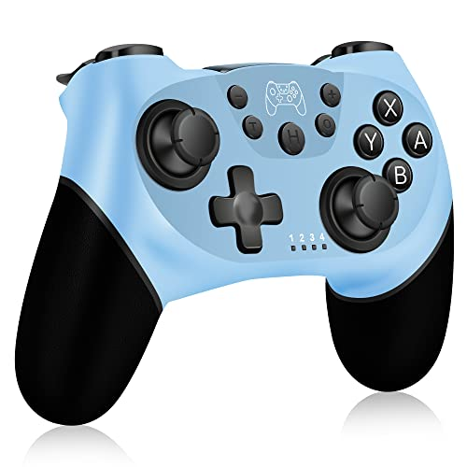 | X001R5IS4Z | 680
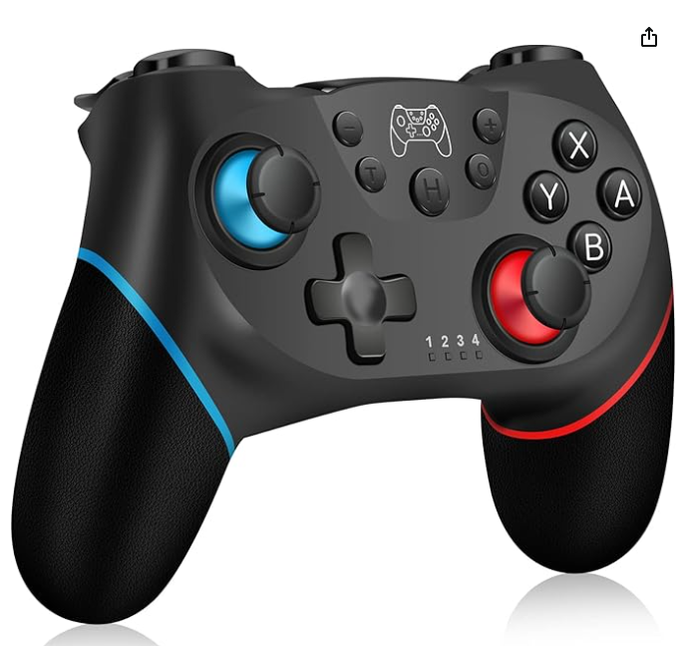 | X001F6NST1 | 1118
 | Total : | 4110

